Hoja1
 |  | LIDER GRASS

No.3 Football grass | Product photo | Model No. | Pile height | Gauge | Grass material | Grass color | Pile denier | Stitches rate | Tufts density
 |  |  | (mm) | (inch) |  |  | (dtex) | (stitches/10cm) | (tufts/sqm)
 | 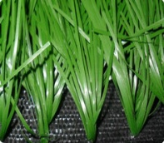 | ED-QPS-638 | 30mm | 0.375 | PE monofilament | Field green | 9500 | 15±1 | 15750
 |  | ED-QPS-634 | 50mm | 0.75 | PE monofilament | Field green | 9500 | 20±1 | 10500
 |  | ED-QPS-634 | 60mm | 0.75 | PE monofilament | Field green | 9500 | 18±1 | 9450
 |  | Backing | Bonar's PP basic cloth + Non-woven + SBR latex

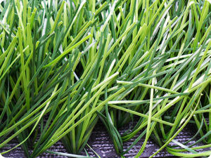 No.4 Football grass | Product photo | Model No. | Pile height | Gauge | Grass material | Grass color | Pile denier | Stitches rate | Tufts density
 |  |  | (mm) | (inch) |  |  | (dtex) | (stitches/10cm) | (tufts/sqm)
 |  | ED-BSE-638 | 30mm | 3/8 inch | PE monofilament | Bi-color | 9500 | 15±1 | 15750
 |  | ED-BSE-634 | 50mm | 3/4 inch | PE monofilament | Bi-color | 9500 | 20±1 | 10500
 |  | ED-BSE-634 | 60mm | 3/4 inch | PE monofilament | Bi-color | 9500 | 18±1 | 9450
 |  | Backing | Bonar's PP basic cloth + Non-woven + SBR latex

No.5 Football grass | Product photo | Model No. | Pile height | Gauge | Grass material | Grass color | Pile denier | Stitches rate | Tufts density
 |  |  | (mm) | (inch) |  |  | (dtex) | (stitches/10cm) | (tufts/sqm)
 | 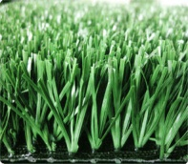 | ED-DS-638 | 30mm | 0.375 | Rib PE monofilament | Field green | 11000 | 14±1 | 14700
 |  | ED-DS-634 | 50mm | 0.75 | Rib PE monofilament | Field green | 11000 | 20±1 | 10500
 |  | ED-DS-634 | 60mm | 0.75 | Rib PE monofilament | Field green | 11000 | 18±1 | 9450
 |  | Backing | Bonar's PP basic cloth + Non-woven + SBR latex

No.6 Football grass | Product photo | Model No. | Pile height | Gauge | Grass material | Grass color | Pile denier | Stitches rate | Tufts density
 |  |  | (mm) | (inch) |  |  | (dtex) | (stitches/10cm) | (tufts/sqm)
 | 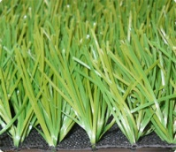 | ED-DSS-638 | 30mm | 3/8 inch | Rib PE monofilament | Bi-color | 11000 | 14±1 | 14700
 |  | ED-DSS-634 | 50mm | 3/4inch | Rib PE monofilament | Bi-color | 11000 | 20±1 | 10500
 |  | ED-DSS-634 | 60mm | 3/4inch | Rib PE monofilament | Bi-color | 11000 | 18±1 | 9450
 |  | Backing | Bonar's PP basic cloth + Non-woven + SBR latex

